To be completed by the supplier
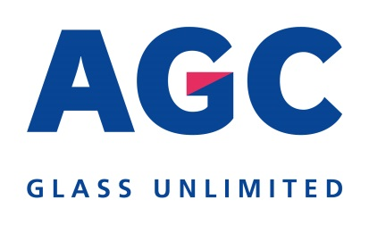
 |  | Supplier Data Form

This section is to be filled in by the supplier
Company name:
VAT number:
Industry/Business | 0101 | Chemistry (all chemical products)
Street + number:
Postal code:
City:
Country:
Post Office Box:
Phone Number:
Fax number:
E-mail address:
Language:
Bank name:
Bank country:
IBAN code:
SWIFT code of your bank:
Currency for payment (ISO-Code):
Terms of payment : | N60Z | 60 days end of month invoice date
Interested to send PDF Invoices via mail?
Name of your contact at AGC
AGC Company or sites for your business

This section to be filled in by AGC (requestor of this new supplier)
Company code :
Plant :
Purchasing Organisation :

